Tasks
Tasks for DAX Examples
Updated 11/6/24 by NDG

Hint: use ChatGPT!

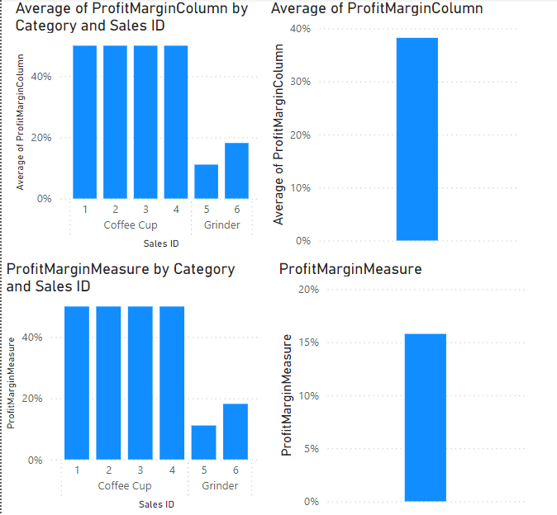
Measure v. Column

 | In the table,
 | Create Median Year Measure
 | Calculate profit column
 | Create profit margin column
 | Create profit margin measure (hint: use sum)
 | Create standard deviation of sale price

 | In a sheet,
 | Create 4 bar charts:
 | a) Show average column by category and sales ID
 | b) Show average margin by category and sales ID
 | c) Show average of the profit margin column
 | d) Show average of the profit margin measure

Inventory Highs and Lows

 | In the table,
 | Create the starting and ending monthly inventory using CALCULATE(SUM(tInventory[Count of Items]), LastDate( tInventory[Date]) ) (hint: use FirstDate)

 | Create the highest and the lowest number of items per month (hint: change MAXX to MINX)
 | MAXX(
 | KEEPFILTERS(VALUES('DateTable'[Month])),
 | CALCULATE(MAX('tInventory'[Count of Items]))
 | )
 | Create a difference from starting inventory field

 | In a sheet,
 | Use a matrix to show the count, max, and min for items per month

 | Use a table to show the starting, ending difference, lowest, and highest values

Sales
 | In the table,
 | Create a measure to show the sales sum
 | Create a measure to show the prior month's sales sum
 |  | calculate(sum(tSales[Sale Amount]), PREVIOUSMONTH(DateTable[Date]))
 | Create a measure to show the year to date sales
 |  | totalytd(sum(tSales[Sale Amount]), DateTable[Date])
 | Create a measure to show the change from the prior month
 |  | ChangeFromPriorMonth = ([Sales Sum]-[PreviousMonthSalesMeasure] )/ [PreviousMonthSalesMeasure]

